Sheet1
Debris | Range of Values
 | case09_Cd0.05 | case09_Cd0.10 | case09_Cd0.20 | case09_Cd0.28 | case09_Cd0.46
Drag Coefficient | 0.05 | 0.1 | 0.2 | 0.28 | 0.46

 | case12_dia20cm | case12_dia29cm | case12_dia39cm | case12_dia50cm | case12_dia63cm
Size: diameter [m] | 0.2 | 0.294 | 0.386 | 0.5 | 0.626

 | case08_01m | case08_02m | case08_03m | case08_04m | case08_05m | case08_06m
Size: length [m] | 1 | 2 | 3 | 4 | 5 | 6

 | case10_rho450 | case10_rho550 | case10_rho650 | case10_rho750 | case10_rho850 | case10_rho950
Wood density in lieu of Buoyancy | 450 | 550 | 650 | 750 | 850 | 950

 | case13_ge1 (case08_05m) | case13_ge2 (case03_30°) | case13_ge3 | case13_ge4 | case13_ge5
Geometries | See Pictures Below

RDDP
 | case11_mu0.35 | case11_mu0.40 | case11_mu0.45 | case11_mu0.50 | case11_mu0.55 | case11_mu0.60
Friction Coefficient | 0.35 | 0.4 | 0.45 | 0.5 | 0.55 | 0.6

 | case03_30° | case03_40° | case03_50° | case03_60° | case03_70°
Angle [°] | 30 | 40 | 50 | 60 | 70

Legend:
BOLD | default values
caseXY | finished case

Geometries:

Ge1

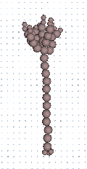

Ge2

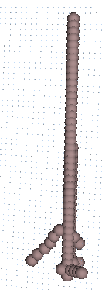

Ge3

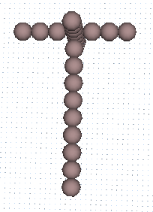

Ge4

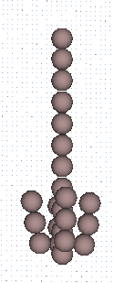

Ge5

