WEC Resource and Power
The Mechanical Power Matrix (matrix AB12:AV31) and the Electrical Power Matrix (matrix AB38:AV57) must be completed for all WEC devices.
If a Wave Resource other then Humboldt Bay, CA is used the probability matrices must be updated (matrix D12:X31 and matrix D38:D57).

Key Assumptions
Depth | 70 | m
Distance to Shore | 5000 | m
Source | NDBC46212 |  | (offshore of Humboldt Bay, CA)

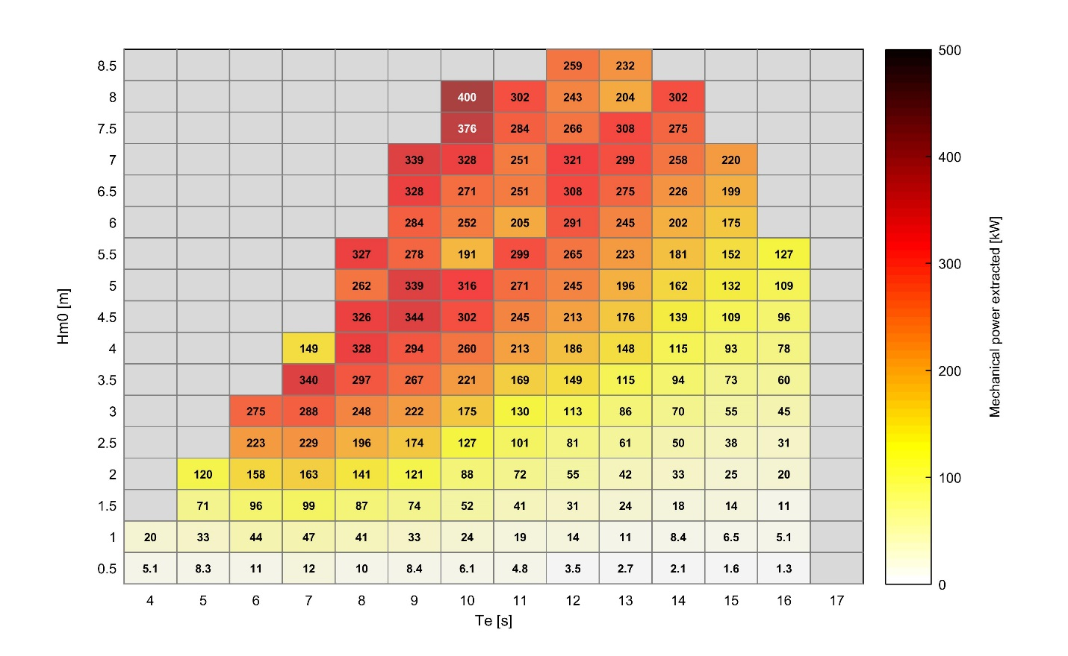
% of Total Occurrence |  | Energy Period - Te (s), center of bin |  |  |  |  |  |  |  |  |  |  |  |  |  |  |  |  |  |  |  |  | Figure 1 – Performance matrix of mechanical power extracted | Mechanical Power Matrix |  | Energy Period - Te (s), center of bin
 |  | 0.5 | 1.5 | 2.5 | 3.5 | 4.5 | 5.5 | 6.5 | 7.5 | 8.5 | 9.5 | 10.5 | 11.5 | 12.5 | 13.5 | 14.5 | 15.5 | 16.5 | 17.5 | 18.5 | 19.5 | 20.5 |  |  |  | 0.5 | 1.5 | 2.5 | 3.5 | 4.5 | 5.5 | 6.5 | 7.5 | 8.5 | 9.5 | 10.5 | 11.5 | 12.5 | 13.5 | 14.5 | 15.5 | 16.5 | 17.5 | 18.5 | 19.5 | 20.5
Hm0 (m), center of bin | 9.75 |  |  |  |  |  |  |  |  |  |  |  |  |  |  |  |  |  |  |  |  |  |  | Hm0 (m), center of bin | 0.25
 | 9.25 |  |  |  |  |  |  |  |  |  |  |  |  |  |  |  |  |  |  |  |  |  |  |  | 0.75
 | 8.75 |  |  |  |  |  |  |  |  |  |  |  |  |  |  |  |  |  |  |  |  |  |  |  | 1.25
 | 8.25 |  |  |  |  |  |  |  |  |  |  |  |  |  |  |  |  |  |  |  |  |  |  |  | 1.75
 | 7.75 |  |  |  |  |  |  |  |  |  |  |  |  |  |  |  |  |  |  |  |  |  |  |  | 2.25
 | 7.25 |  |  |  |  |  |  |  |  |  |  |  |  |  |  |  |  |  |  |  |  |  |  |  | 2.75
 | 6.75 |  |  |  |  |  |  |  |  |  |  |  |  |  | 0.02 | 0.02 |  |  |  |  |  |  |  |  | 3.25
 | 6.25 |  |  |  |  |  |  |  |  |  |  |  |  | 0.03 | 0.04 | 0.02 | 0.01 |  |  |  |  |  |  |  | 3.75
 | 5.75 |  |  |  |  |  |  |  |  |  |  |  | 0.02 | 0.07 | 0.05 | 0.05 | 0.02 |  |  |  |  |  |  |  | 4.25
 | 5.25 |  |  |  |  |  |  |  |  |  | 0.03 | 0.03 | 0.11 | 0.15 | 0.13 | 0.07 | 0.02 |  |  |  |  |  |  |  | 4.75
 | 4.75 |  |  |  |  |  |  |  |  | 0.02 | 0.08 | 0.12 | 0.26 | 0.27 | 0.19 | 0.07 | 0.02 | 0.01 |  |  |  |  |  |  | 5.25
 | 4.25 |  |  |  |  |  |  |  |  | 0.09 | 0.21 | 0.45 | 0.56 | 0.42 | 0.21 | 0.07 | 0.02 | 0.02 |  |  |  |  |  |  | 5.75
 | 3.75 |  |  |  |  |  |  |  | 0.05 | 0.49 | 0.63 | 1.08 | 1.01 | 0.63 | 0.29 | 0.10 | 0.05 | 0.02 |  |  |  |  |  |  | 6.25
 | 3.25 |  |  |  |  |  |  |  | 0.45 | 1.54 | 1.47 | 1.96 | 1.42 | 0.79 | 0.32 | 0.11 | 0.04 | 0.02 | 0.01 | 0.01 |  |  |  |  | 6.75
 | 2.75 |  |  |  |  |  |  | 0.14 | 2.43 | 2.60 | 2.82 | 2.85 | 1.57 | 0.80 | 0.32 | 0.14 | 0.06 | 0.02 |  |  |  |  |  |  | 7.25
 | 2.25 |  |  |  |  |  |  | 0.92 | 5.25 | 3.68 | 4.14 | 2.87 | 1.31 | 0.84 | 0.42 | 0.20 | 0.08 | 0.02 |  |  |  |  |  |  | 7.75
 | 1.75 |  |  |  |  |  | 0.12 | 3.27 | 5.14 | 4.62 | 3.93 | 2.11 | 1.24 | 0.76 | 0.31 | 0.10 | 0.03 |  |  |  |  |  |  |  | 8.25
 | 1.25 |  |  |  |  | 0.01 | 0.59 | 4.11 | 5.56 | 4.48 | 2.74 | 1.28 | 0.67 | 0.33 | 0.07 | 0.02 | 0.02 |  |  |  |  |  |  |  | 8.75
 | 0.75 |  |  |  |  | 0.02 | 0.46 | 1.49 | 2.68 | 1.91 | 1.10 | 0.53 | 0.17 | 0.02 |  |  |  |  |  |  |  |  |  |  | 9.25
 | 0.25 |  |  |  |  |  |  |  | 0.02 | 0.03 |  |  |  |  |  |  |  |  |  |  |  |  |  |  | 9.75
 |  | 0.6 | 1.7 | 2.9 | 4.1 | 5.2 | 6.4 | 7.5 | 8.7 | 9.9 | 11.0 | 12.2 | 13.3 | 14.5 | 15.7 | 16.8 | 18.0 | 19.1 | 20.3 | 21.5 | 22.6 | 23.8 |  |  |  | 0.6 | 1.7 | 2.9 | 4.1 | 5.2 | 6.4 | 7.5 | 8.7 | 9.9 | 11.0 | 12.2 | 13.3 | 14.5 | 15.7 | 16.8 | 18.0 | 19.1 | 20.3 | 21.5 | 22.6 | 23.8
 |  | Peak Period - Tp (s), center of bin |  |  |  |  |  |  |  |  |  |  |  |  |  |  |  |  |  |  |  |  |  |  |  | Peak Period - Tp (s), center of bin

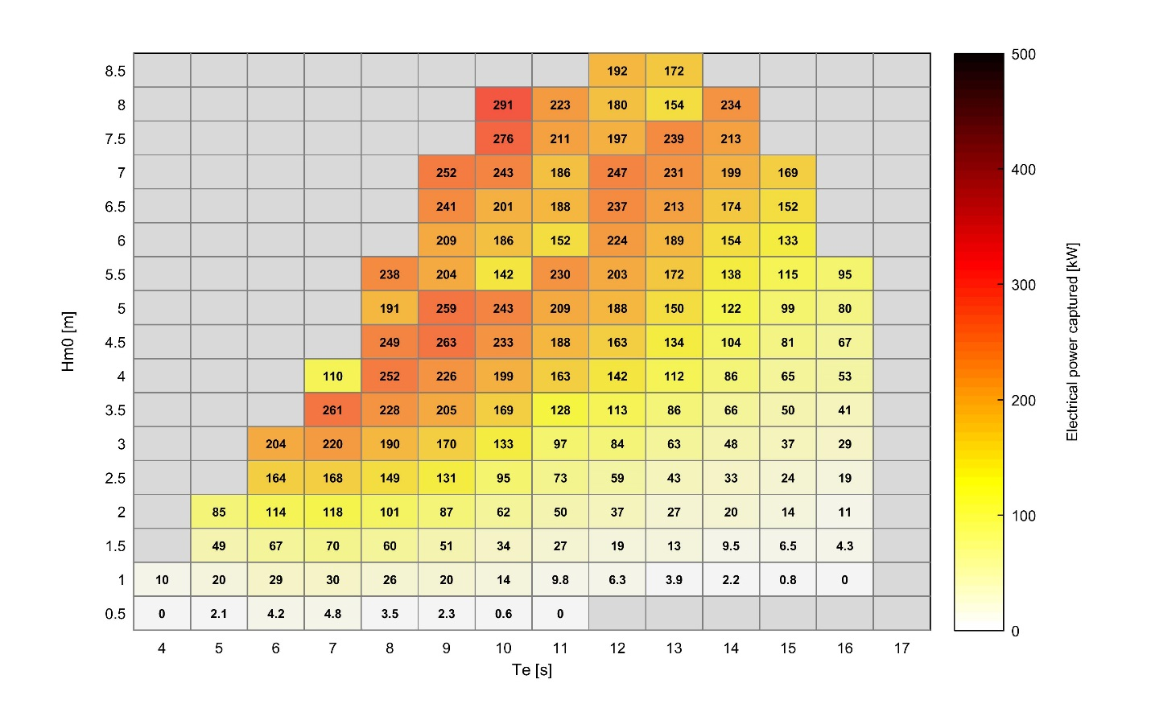
% of Total Energy |  | Energy Period - Te (s), center of bin |  |  |  |  |  |  |  |  |  |  |  |  |  |  |  |  |  |  |  |  | Figure 2 – Performance matrix of electrical power captured | Electrical Power Matrix |  | Energy Period - Te (s), center of bin
 |  | 0.5 | 1.5 | 2.5 | 3.5 | 4.5 | 5.5 | 6.5 | 7.5 | 8.5 | 9.5 | 10.5 | 11.5 | 12.5 | 13.5 | 14.5 | 15.5 | 16.5 | 17.5 | 18.5 | 19.5 | 20.5 |  |  |  | 0.5 | 1.5 | 2.5 | 3.5 | 4.5 | 5.5 | 6.5 | 7.5 | 8.5 | 9.5 | 10.5 | 11.5 | 12.5 | 13.5 | 14.5 | 15.5 | 16.5 | 17.5 | 18.5 | 19.5 | 20.5
Hm0 (m), center of bin | 9.75 |  |  |  |  |  |  |  |  |  |  |  |  |  |  |  |  |  |  |  |  |  |  | Hm0 (m), center of bin | 0.25
 | 9.25 |  |  |  |  |  |  |  |  |  |  |  |  |  |  |  |  |  |  |  |  |  |  |  | 0.75
 | 8.75 |  |  |  |  |  |  |  |  |  |  |  |  |  |  | 0.03 |  |  |  |  |  |  |  |  | 1.25
 | 8.25 |  |  |  |  |  |  |  |  |  |  |  |  | 0.02 | 0.02 | 0.07 |  |  |  |  |  |  |  |  | 1.75
 | 7.75 |  |  |  |  |  |  |  |  |  |  |  | 0.02 |  | 0.02 | 0.02 |  |  |  |  |  |  |  |  | 2.25
 | 7.25 |  |  |  |  |  |  |  |  |  |  |  |  |  | 0.07 | 0.03 |  | 0.02 |  |  |  |  |  |  | 2.75
 | 6.75 |  |  |  |  |  |  |  |  |  |  | 0.01 | 0.06 | 0.04 | 0.23 | 0.22 | 0.12 |  | 0.02 | 0.02 |  |  |  |  | 3.25
 | 6.25 |  |  |  |  |  |  |  |  |  |  |  | 0.06 | 0.30 | 0.39 | 0.21 | 0.13 | 0.02 |  |  |  |  |  |  | 3.75
 | 5.75 |  |  |  |  |  |  |  |  |  | 0.02 | 0.02 | 0.15 | 0.57 | 0.44 | 0.40 | 0.17 | 0.01 |  |  |  |  |  |  | 4.25
 | 5.25 |  |  |  |  |  |  |  |  |  | 0.13 | 0.14 | 0.62 | 0.96 | 0.89 | 0.51 | 0.16 | 0.06 | 0.02 | 0.01 |  |  |  |  | 4.75
 | 4.75 |  |  |  |  |  |  |  |  | 0.07 | 0.32 | 0.53 | 1.28 | 1.40 | 1.05 | 0.42 | 0.15 | 0.07 | 0.05 |  |  |  |  |  | 5.25
 | 4.25 |  |  |  |  |  |  |  | 0.02 | 0.26 | 0.64 | 1.55 | 2.14 | 1.74 | 0.96 | 0.32 | 0.11 | 0.10 | 0.01 | 0.01 |  |  |  |  | 5.75
 | 3.75 |  |  |  |  |  |  |  | 0.09 | 1.03 | 1.53 | 2.93 | 3.02 | 2.04 | 1.02 | 0.37 | 0.18 | 0.07 | 0.02 | 0.03 | 0.02 |  |  |  | 6.25
 | 3.25 |  |  |  |  |  |  |  | 0.60 | 2.43 | 2.66 | 4.02 | 3.19 | 1.93 | 0.82 | 0.30 | 0.12 | 0.06 | 0.04 | 0.03 |  |  |  |  | 6.75
 | 2.75 |  |  |  |  |  |  | 0.11 | 2.33 | 2.95 | 3.68 | 4.17 | 2.53 | 1.40 | 0.59 | 0.28 | 0.12 | 0.04 | 0.01 |  |  |  |  |  | 7.25
 | 2.25 |  |  |  |  |  |  | 0.51 | 3.43 | 2.82 | 3.65 | 2.84 | 1.43 | 0.98 | 0.53 | 0.26 | 0.11 | 0.03 |  |  |  |  |  |  | 7.75
 | 1.75 |  |  |  |  |  | 0.03 | 1.08 | 2.09 | 2.16 | 2.14 | 1.29 | 0.82 | 0.55 | 0.25 | 0.08 | 0.02 |  |  |  |  |  |  |  | 8.25
 | 1.25 |  |  |  |  |  | 0.08 | 0.75 | 1.15 | 1.09 | 0.78 | 0.40 | 0.24 | 0.13 | 0.03 |  |  |  |  |  |  |  |  |  | 8.75
 | 0.75 |  |  |  |  |  | 0.03 | 0.12 | 0.24 | 0.19 | 0.13 | 0.07 | 0.03 |  |  |  |  |  |  |  |  |  |  |  | 9.25
 | 0.25 |  |  |  |  |  |  |  |  |  |  |  |  |  |  |  |  |  |  |  |  |  |  |  | 9.75
 |  | 0.6 | 1.7 | 2.9 | 4.1 | 5.2 | 6.4 | 7.5 | 8.7 | 9.9 | 11.0 | 12.2 | 13.3 | 14.5 | 15.7 | 16.8 | 18.0 | 19.1 | 20.3 | 21.5 | 22.6 | 23.8 |  |  |  | 0.6 | 1.7 | 2.9 | 4.1 | 5.2 | 6.4 | 7.5 | 8.7 | 9.9 | 11.0 | 12.2 | 13.3 | 14.5 | 15.7 | 16.8 | 18.0 | 19.1 | 20.3 | 21.5 | 22.6 | 23.8
 |  | Peak Period - Tp (s), center of bin |  |  |  |  |  |  |  |  |  |  |  |  |  |  |  |  |  |  |  |  |  |  |  | Peak Period - Tp (s), center of bin

