About
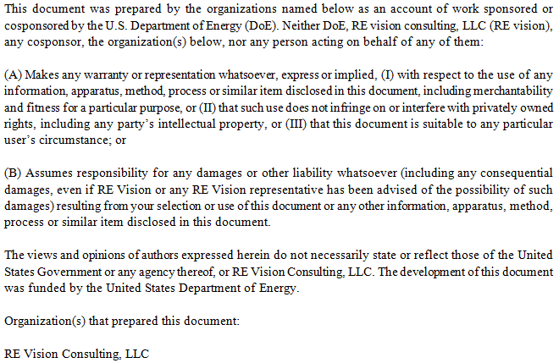
Cost Breakdown Structure for Wave Energy Device

Created by |  | Mirko Previsic
Company |  | RE Vision Consulting, LLC
Contact |  | mirko@re-vision.net
Date |  | 2017-07-07

Comments/Notes
 | 1. This spreadsheet provides an LCoE baseline for the OE Buoy in Support of the Controls Optimization Project
 | 2. Cost Estimates provided herein are based on concept design and basic engineering data and have high levels of uncertainties embedded
 | 3. This reference economic scenario was done for a very large device version of the OE Buoy technology, which is not presently on Ocean Energy's technology development pathway but will be considered in future business plan development
 | 4. The DoE reference site condition is considered a low power-density site, compared with many of the planned initial deployment locations for the OE Buoy. Many of the sites considered for the initial commercial deployment of the OE buoy feature much higher wave power densities and shorter period waves. Both of these characteristics will improve the OE buoy's commercial viability.

Disclaimer

Report Graphs
# of Units | 1 | 10 | 50 | 100
Installed Capacity (kW) | 980 | 9800 | 49000 | 98000
Installed Capacity (MW) | 0.98 | 9.8 | 49 | 98

 | Development | Infrastructure | Mooring/Foundation | Device Structural Components | Power Take Off | Subsystem Integration & Profit Margin | Installation | Contingency
1 | $4,723 | $990 | $525 | $5,266 | $1,324 | $711 | $5,909 | $1,945
10 | $9,528 | $4,860 | $4,723 | $37,796 | $10,252 | $5,277 | $9,082 | $8,152
50 | $12,821 | $7,566 | $23,615 | $149,886 | $43,849 | $21,735 | $21,531 | $28,100
100 | $12,336 | $17,310 | $47,230 | $271,294 | $81,488 | $40,001 | $37,860 | $50,752

 | Development | Infrastructure | Mooring/Foundation | Device Structural Components | Power Take Off | Subsystem Integration & Profit Margin | Installation | Contingency
1 | $4,820 | $1,010 | $540 | $5,370 | $1,350 | $730 | $6,030 | $1,980
10 | $970 | $500 | $480 | $3,860 | $1,050 | $540 | $930 | $830
50 | $260 | $150 | $480 | $3,060 | $890 | $440 | $440 | $570
100 | $130 | $180 | $480 | $2,770 | $830 | $410 | $390 | $520

 | Development | Infrastructure | Mooring/Foundation | Device Structural Components | Power Take Off | Subsystem Integration & Profit Margin | Installation | Contingency
10 | 4.3 | 2.2 | 2.1 | 17.2 | 4.7 | 2.4 | 4.1 | 3.7
50 | 1.2 | 0.7 | 2.1 | 13.6 | 4.0 | 2.0 | 2.0 | 2.6
100 | 0.6 | 0.8 | 2.1 | 12.3 | 3.7 | 1.8 | 1.7 | 2.3

 | Insurance | Environmental Monitoring & Regulatory Compliance | Marine Operations | Shoreside Operations | Replacement Parts | Consumables
1 | $294 | $710 | $25 | $142 | $126 | $7
10 | $1,440 | $1,121 | $249 | $400 | $1,149 | $70
50 | $2,682 | $1,121 | $525 | $455 | $5,391 | $350
100 | $2,476 | $1,121 | $1,051 | $675 | $8,219 | $700

 | Insurance | Environmental Monitoring & Regulatory Compliance | Marine Operations | Shoreside Operations | Replacement Parts | Consumables
1 | $300 | $720 | $30 | $140 | $130 | $10
10 | $150 | $110 | $30 | $40 | $120 | $10
50 | $50 | $20 | $10 | $10 | $110 | $10
100 | $30 | $10 | $10 | $10 | $80 | $10

 | Insurance | Environmental Monitoring & Regulatory Compliance | Marine Operations | Shoreside Operations | Replacement Parts | Consumables
10 | 6.1 | 4.7 | 1.0 | 1.7 | 4.8 | 0.3
50 | 2.3 | 0.9 | 0.4 | 0.4 | 4.5 | 0.3
100 | 1.0 | 0.5 | 0.4 | 0.3 | 3.5 | 0.3

 | Device | Infrastructure | Development | Installation | Contingency | Operation and Maintenance
10 | 26.4 | 2.2 | 4.3 | 4.1 | 3.7 | 18.7
50 | 21.8 | 0.7 | 1.2 | 2.0 | 2.6 | 8.9
100 | 20.0 | 0.8 | 0.6 | 1.7 | 2.3 | 6.0

 | 1 | 1 | 1

1.2
1.2 Infrastructure

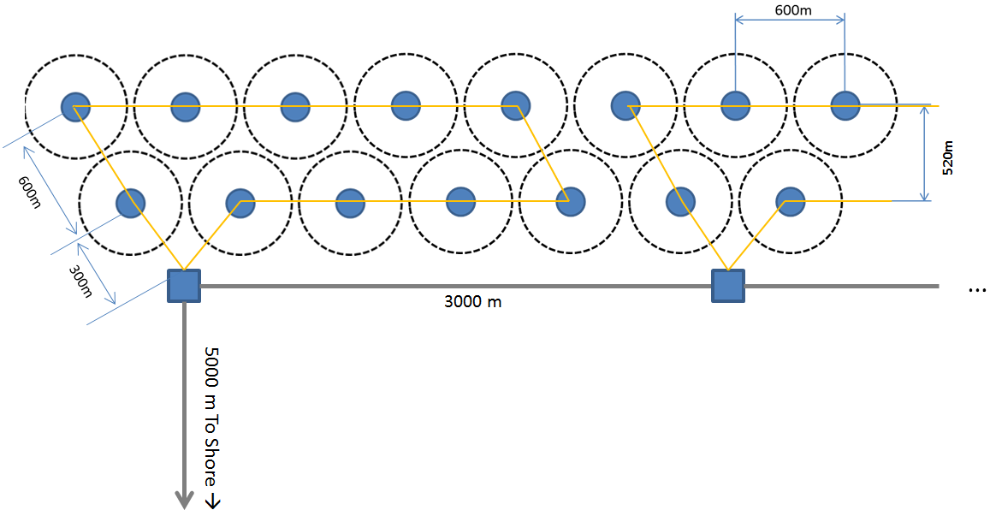
Cost Summary |  |  | Units | 1 | 10 | 50 | 100
 | 1.2.1 | Subsea Cables |  | $900,000 | $900,000 | $3,360,000 | $8,700,000
 | 1.2.2 | Terminations and Connectors |  | $90,000 | $90,000 | $336,000 | $870,000
 | 1.2.3 | Dockside Improvements |  | $0 | $0 | $0 | $0
 | 1.2.4 | Dedicated O&M Vessel |  | $0 | $3,870,000 | $3,870,000 | $7,740,000
 | 1.2.5 | Other

 |  | Totals |  | $990,000 | $4,860,000 | $7,566,000 | $17,310,000

1.2.1 Subsea Cables |  |  |  | # | Units
 |  |  | 1 | 10 | 50 | 100
 | Capacity
 |  | Unit Capacity (kW) | 350 | 350 | 350 | 350
 |  | Plant Capacity (MW) | 0 | 4 | 18 | 35
 |  | Target Cable Capacity incl. 20% contingency (MW) | 0 | 4 | 21 | 42

 | Determining Trunk-cable length, shore to first junction box
 |  | Site Distance to shore | 5,000 | 5000 | 5000 | 5000
 |  | Array Cable | 0 | 0 | 9000 | 24000
 |  | Contingency Cable Length incl. 20% Contingency (m) | 6,000 | 6,000 | 16,800 | 34,800

 | Inter-Device Cable Length
 |  | Per Device Cable Length | 800 | 800 | 800 | 800
 |  | Total Cable Length | 800 | 8000 | 40000 | 80000

 | Subsea Cable Cost
 |  | Trunk Cable Cost ($/m) | $150 | $150 | $200 | $250
 |  | Inter-Device Cable Cost (included in 1.5) | $- | $- | $- | $-

 | Total Cost
 |  | Trunck Cable | $900,000 | $900,000 | $3,360,000 | $8,700,000
 |  | Inter-Device Cable | $- | $- | $- | $-

 |  | Total | $900,000 | $900,000 | $3,360,000 | $8,700,000

1.2.2 Terminations and Connectors
 |  |  | 1-Unit | 10-Units | 50-Units | 100-Units

 |  | 10% of Subsea Cable Cost | $90,000 | $90,000 | $336,000 | $870,000

 |  | Cost | $90,000 | $90,000 | $336,000 | $870,000

1.2.3 Dockside Improvements
 |  |  | 1-Unit | 10-Units | 50-Units | 100-Units

 |  | None

 |  | Cost | $0 | $0 | $0 | $0

1.2.4 Dedicated O&M Vessel
 |  |  | 1-Unit | 10-Units | 50-Units | 100-Units
 | Notes:
 | - Ship Conversion including: (1) DP-1, Crane, Whinch, Delivery etc.
 | - Using new vessel, values come in between $4.09M and $5.65M
 | - Using used vessel, values are estimated between $2.09M and $3.1M

 |  | Vessel |  | $3,870,000 | $3,870,000 | $7,740,000

 |  | Cost | $0 | $3,870,000 | $3,870,000 | $7,740,000

Cost Estimating Notes
 | 1.2.1 | Rough Estimates were used for subsea cable cost
 | 1.2.2 | Terminations and Connectors are difficult to estimate without a detailed design effort. Estimated them as 10% of Cable cost
 | 1.2.3 | Not estimated, but included in project contingency
 | 1.2.4 | See notes above

Data Sources
 | 1.2.1 | RE Vision
 | 1.2.2 | RE Vision
 | 1.2.3 | RE Vision
 | 1.2.4 | RE Vision

