About
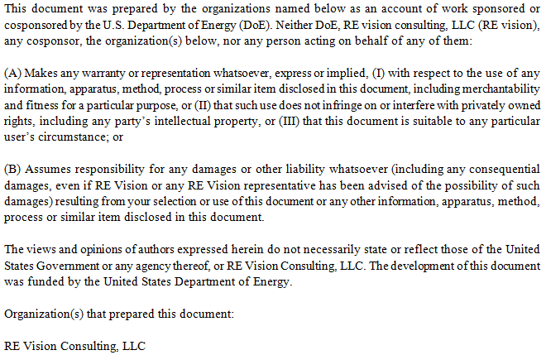
Cost Breakdown Structure for Wave Carpet

Created by | Mirko Previsic
Company | RE Vision Consulting, LLC
Contact | mirko@re-vision.net
Date | 2017-07-20

Notes:
1. this is a baseline LCoE assessment for the Wave Carpet device
2. Significant uncertainties in the assessment remain due to the limited design information provided by CalWave

Disclaimer

