WWIII Sites
 |  |  |  |  |  |  |  |  | AAE Density (MWhr/m) |  |  |  |  | % AAE Density
Paper | Map |  |  |  |  |  |  |  | Band
Label | Label | lat | ID | Region | Hs | Te | Hs(50) | Hs50/Hs | 1 | 2 | 3 | 4 | TOTAL | 1 | 2 | 3 | 4 | Total
3 |  | 33.08 | WIS_83105 | West | 1.03 | 10.49 | 5.13 | 4.97 | 5.251 | 11.482 | 20.403 | 20.933 | 58.069 | 9.04% | 19.77% | 35.14% | 36.05% | 100.00%
6 | 9 | 33.75 | 46025 | West | 1.06 | 9.27 | 5.45 | 5.16 | 10.281 | 9.996 | 18.22 | 18.931 | 57.428 | 17.90% | 17.41% | 31.73% | 32.96% | 100.00%
7 | 21 | 34.61 | VNDNBRG-10 | West | 2.02 | 9.91 | 6.84 | 3.38 | 8.699 | 45.629 | 124.004 | 84.727 | 263.059 | 3.31% | 17.35% | 47.14% | 32.21% | 100.00% | WEST COAST HAVE ~OVER 50% POWER COMING FROM MODERATE PERIOD SWELL
5 | 29 | 36.33 | WIS_83075 | West | 2.10 | 10.29 | 7.05 | 3.36 | 4.88 | 47.884 | 132.343 | 87.881 | 272.988 | 1.79% | 17.54% | 48.48% | 32.19% | 100.00%
2 | 37 | 38.00 | WIS_83064 | West | 2.26 | 9.84 | 8.01 | 3.54 | 9.142 | 59.884 | 155.768 | 97.087 | 321.881 | 2.84% | 18.60% | 48.39% | 30.16% | 100.00%
8 | 44 | 40.75 | HMBOLDT-08 | West | 2.36 | 9.65 | 8.70 | 3.68 | 10.743 | 55.889 | 172.628 | 92.631 | 331.891 | 3.24% | 16.84% | 52.01% | 27.91% | 100.00%
4 | 57 | 42.75 | PNW-73 | West | 2.53 | 9.56 | 9.49 | 3.76 | 20.171 | 58.164 | 202.563 | 98.383 | 379.281 | 5.32% | 15.34% | 53.41% | 25.94% | 100.00%
1 | 68 | 44.53 | SETS-52 | West | 2.26 | 9.70 | 8.98 | 3.98 | 8.094 | 49.647 | 207.306 | 93.49 | 358.537 | 2.26% | 13.85% | 57.82% | 26.08% | 100.00%
10 | 82 | 45.75 | PNW-61 | West | 2.51 | 9.62 | 10.12 | 4.02 | 12.545 | 59.291 | 224.408 | 92.566 | 388.81 | 3.23% | 15.25% | 57.72% | 23.81% | 100.00%
9 | 86 | 46.33 | WIS_83014 | West | 2.21 | 9.65 | 8.42 | 3.82 | 6.89 | 52.537 | 210.482 | 88.598 | 358.507 | 1.92% | 14.65% | 58.71% | 24.71% | 100.00%
7 | 112 | 28.00 | 'WIS_63444 | East | 0.98 | 6.60 | 6.36 | 6.46 | 9.353 | 24.967 | 12.546 | 0.585 | 47.451 | 19.71% | 52.62% | 26.44% | 1.23% | 100.00% | EAST COAST HAVE OVER ~50% POWER FROM SHORT PERIOD SWELL
2 | 109 | 30.67 | 'WIS_63400 | East | 1.01 | 6.07 | 5.30 | 5.25 | 14.291 | 26.149 | 8.457 | 0.574 | 49.471 | 28.89% | 52.86% | 17.09% | 1.16% | 100.00%
9 | 104 | 34.00 | 'WIS_63300 | East | 0.96 | 5.78 | 6.84 | 7.11 | 22.857 | 48.576 | 20.243 | 1.063 | 92.739 | 24.65% | 52.38% | 21.83% | 1.15% | 100.00%
3 | 99 | 35.00 | 'WIS_63263 | East | 1.32 | 6.24 | 8.83 | 6.69 | 24.212 | 40.334 | 16.883 | 1.306 | 82.735 | 29.26% | 48.75% | 20.41% | 1.58% | 100.00%
8 | 91 | 37.67 | 'WIS_63181 | East | 1.00 | 5.97 | 5.68 | 5.66 | 22.949 | 39.994 | 18.966 | 0.913 | 82.822 | 27.71% | 48.29% | 22.90% | 1.10% | 100.00%
5 | 84 | 39.00 | 'OSW-NJ-5 | East | 1.31 | 6.20 | 7.43 | 5.67 | 22.958 | 35.525 | 15.116 | 0.844 | 74.443 | 30.84% | 47.72% | 20.31% | 1.13% | 100.00%
1 | 17 | 40.53 | 'ME-112 | East | 1.64 | 6.41 | 10.71 | 6.52 | 30.661 | 57.975 | 20.466 | 0.859 | 109.961 | 27.88% | 52.72% | 18.61% | 0.78% | 100.00%
4 | 64 | 40.93 | 'ME-81 | East | 1.47 | 6.14 | 9.89 | 6.74 | 29.263 | 47.317 | 17.411 | 0.926 | 94.917 | 30.83% | 49.85% | 18.34% | 0.98% | 100.00%
10 | 36 | 41.33 | 'ME-53 | East | 0.51 | 3.98 | 1.69 | 3.33 | 15.195 | 22.369 | 8.24 | 0.448 | 46.252 | 32.85% | 48.36% | 17.82% | 0.97% | 100.00%
6 | 85 | 44.33 | 'WIS_63006 | East | 1.11 | 6.08 | 6.78 | 6.13 | 13.396 | 17.752 | 5.438 | 0.319 | 36.905 | 36.30% | 48.10% | 14.74% | 0.86% | 100.00%
1 | 20 |  | 'WIS_73320 | Gulf | 0.68 | 3.59 | 5.04 | 7.47 | 10.349 | 4.934 | 0.627 | 0 | 15.91 | 65.05% | 31.01% | 3.94% | 0.00% | 100.00% | GULF COAST SITES HAVE OVER ~50% POWER FROM LOCAL WIND SEAS
2 | 3 |  | 'WIS_73141 | Gulf | 0.76 | 4.06 | 6.85 | 9.00 | 12.971 | 4.017 | 0.606 | 0.07 | 17.664 | 73.43% | 22.74% | 3.43% | 0.40% | 100.00%
3 | 16 |  | 'WIS_73278 | Gulf | 0.51 | 3.53 | 4.63 | 8.99 | 7.486 | 6.061 | 2.109 | 0.048 | 15.704 | 47.67% | 38.60% | 13.43% | 0.31% | 100.00%
4 | 8 |  | 'WIS_73197 | Gulf | 0.76 | 3.96 | 7.61 | 10.02 | 14.513 | 5.825 | 1.577 | 0.002 | 21.917 | 66.22% | 26.58% | 7.20% | 0.01% | 100.00%
5 | 2 |  | 'WIS_73130 | Gulf | 0.77 | 4.30 | 7.86 | 10.26 | 13.02 | 5.925 | 1.285 | 0.281 | 20.511 | 63.48% | 28.89% | 6.26% | 1.37% | 100.00%
6 | 6 |  | 'WIS_73155 | Gulf | 0.73 | 4.03 | 8.22 | 11.23 | 13.455 | 5.149 | 1.745 | 0.148 | 20.497 | 65.64% | 25.12% | 8.51% | 0.72% | 100.00%
7 | 1 |  | '42003 | Gulf | 1.01 | 4.45 | 10.41 | 10.32 | 23.104 | 10.229 | 3.11 | 0.916 | 37.359 | 61.84% | 27.38% | 8.32% | 2.45% | 100.00%
8 | 11 |  | 'WIS_73235 | Gulf | 0.65 | 3.56 | 4.96 | 7.61 | 11.082 | 3.967 | 0.973 | 0.026 | 16.048 | 69.06% | 24.72% | 6.06% | 0.16% | 100.00%
9 | 17 |  | 'WIS_73292 | Gulf | 0.50 | 3.40 | 4.01 | 7.98 | 6.648 | 4.313 | 0.844 | 0.005 | 11.81 | 56.29% | 36.52% | 7.15% | 0.04% | 100.00%
10 | 14 |  | 'WIS_73254 | Gulf | 0.47 | 3.20 | 3.29 | 6.97 | 7.034 | 5.655 | 2.137 | 0.159 | 14.985 | 46.94% | 37.74% | 14.26% | 1.06% | 100.00%
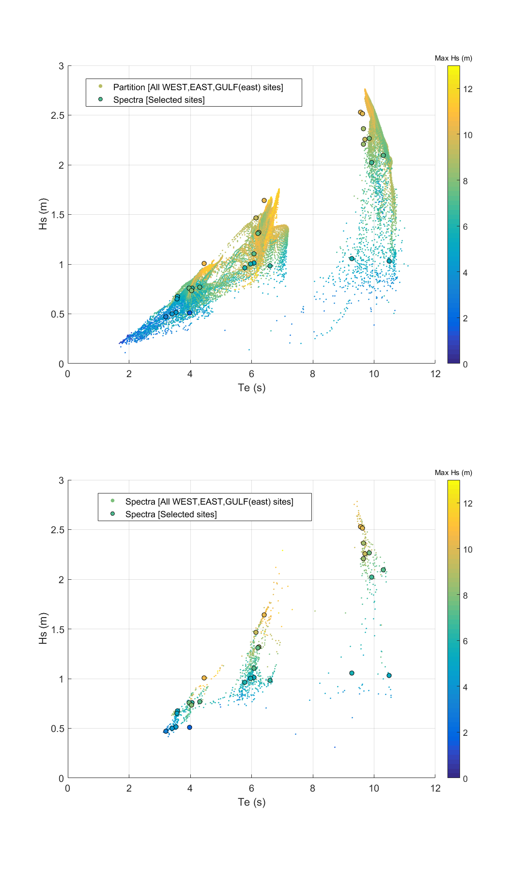

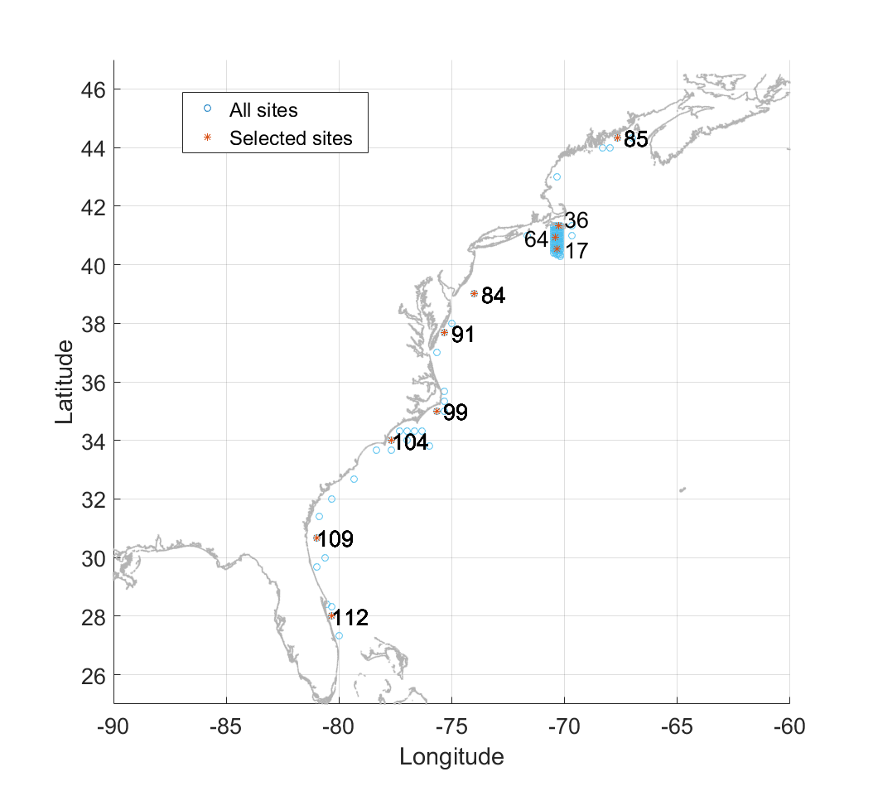
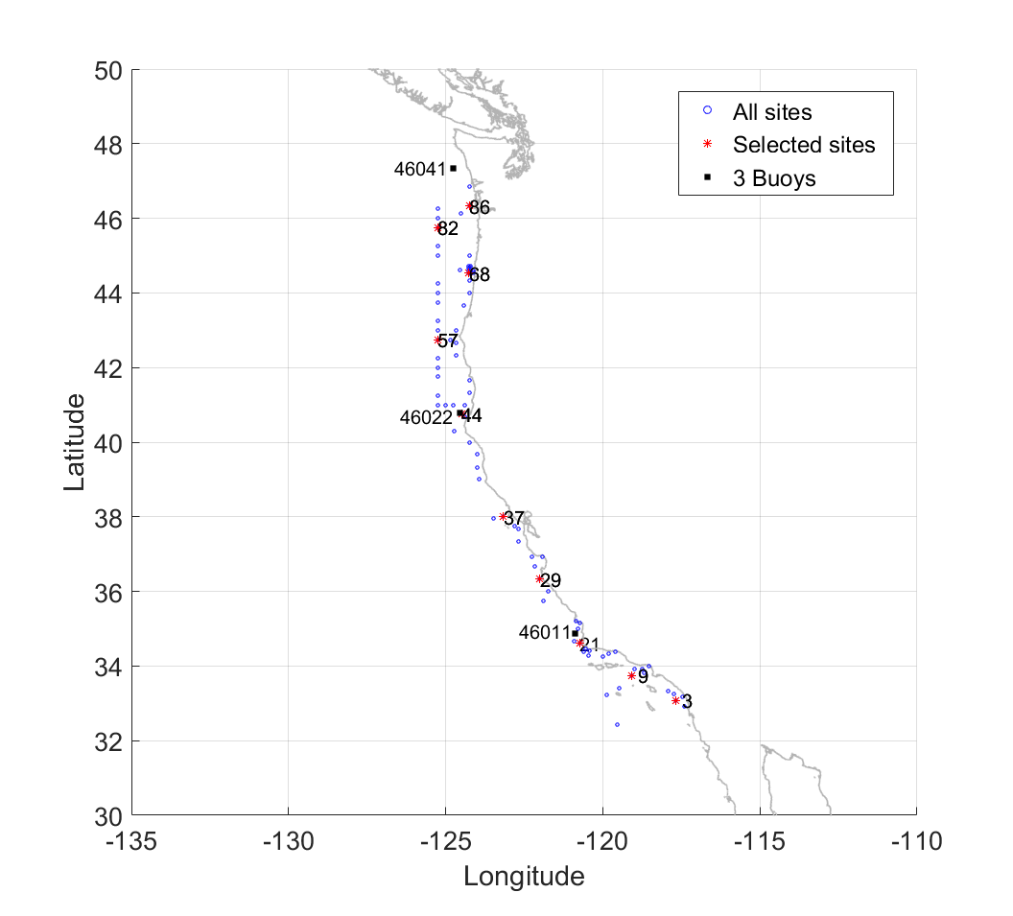

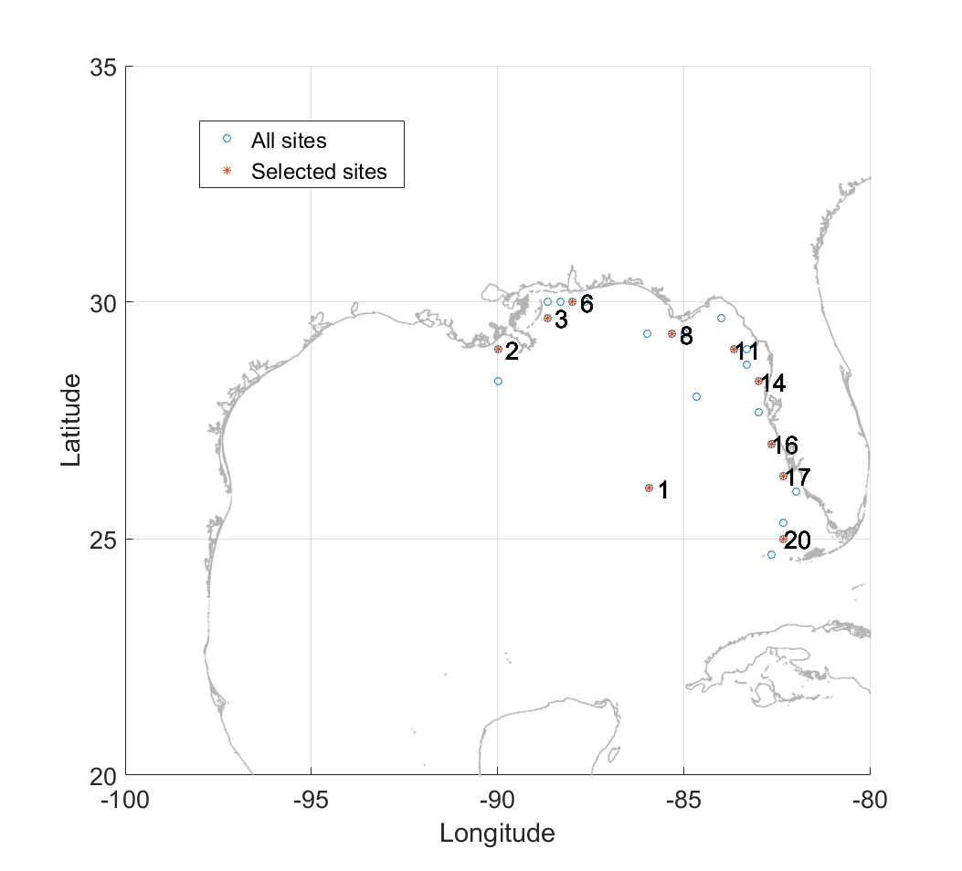

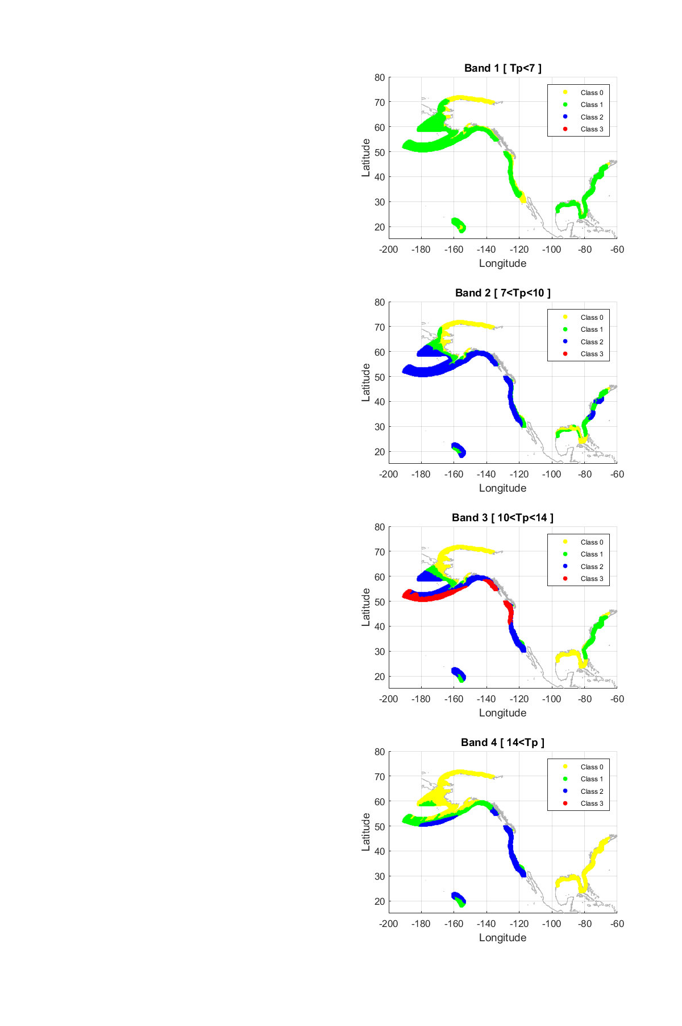

 |  |  |  |  |  |  |  |  |  |  |  |  |  |  |  |  |  |  |  | 14
 |  |  |  |  |  |  |  |  |  |  |  |  |  |  |  |  |  |  |  | 11

