TF+3T Graphic
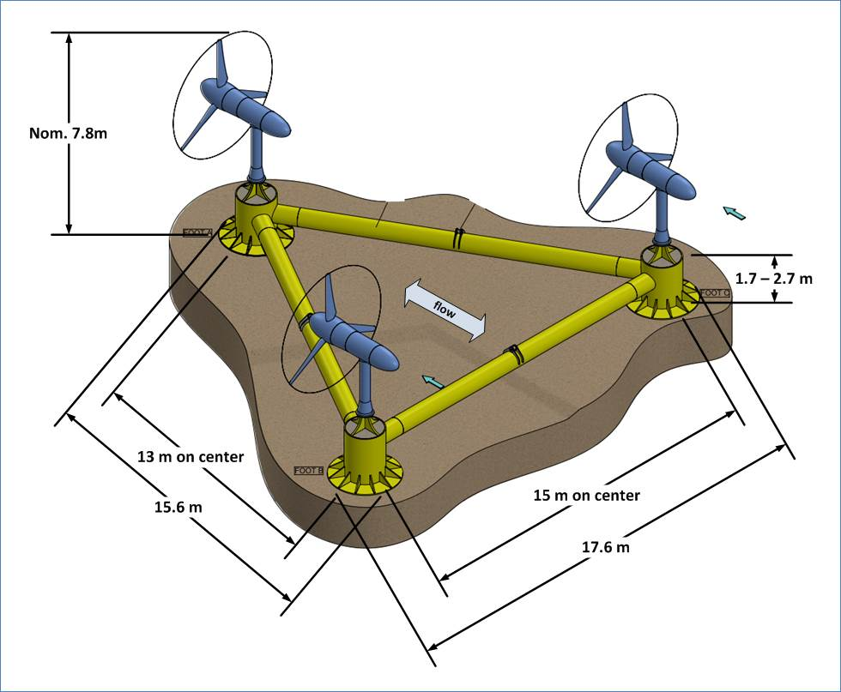
Verdant Power TriFrame™ + 3 Gen5 KHPS Turbines (TF+3T)

