TF+3T Graphic
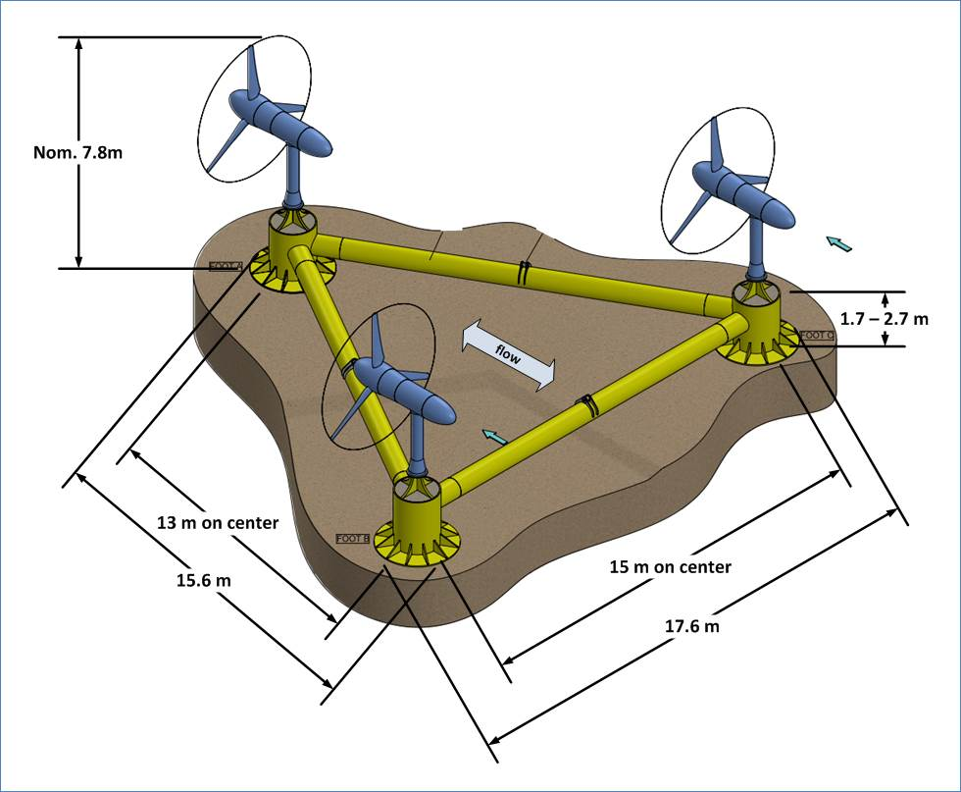
Verdant Power TriFrame™ + 3 Gen5 KHPS Turbines (TF+3T)

 | From Bottom | With Flow | Across Flow
System | Height | Length | Width
 | 7.8m | 15.6m | 17.6m
TF Component | Height | Width | Depth
 | 270 cm | 1560 cm | 1760 cm

