Set-up
Failure Mode Identification

Project title: | CalWave Ocean Demonstration
System title: | CalWave Scaled Open Water Demonstration System - Xwave
Date: | 2020-09-22

Risk Matrix: | Low | tolerable, no action required
 | Medium | mitigation and improvement required to reduce risk
 | High | not acceptable: mitigation and improvement required to reduce risk to Low (ALARP)

Probability Classes
No. | Name | Description |  |  | Indicative Annual Failure Rate (up to) | Reference
1 | Very Low | Negligible event frequency |  |  | 1.0E-04 | Accidental (event not failure)
2 | Low | Event unlikely to occur |  |  | 1.0E-03 | Strength / ULS
3 | Medium | Event rarely expected to occur |  |  | 1.0E-02 | Fatigue / FLS
4 | High | One or several events expected to occur during the lifetime |  |  | 1.0E-01 | Operation low frequency
5 | Very high | One or several events expected to occur each year |  |  | 1.0E+00 | Operation high frequency

Consequence Classes
Class | Description of consequences (impact on) - Device Level |  |  |  |  |  | Class | Description of consequences (impact on) - Device Level
 | Safety | Environment | Operation | Assets | USD |  |  | Safety | Environment | Operation | Assets | USD
1 | Negligible injury, effect on health | Negligible pollution or no effect on environment | Negligible effect on production (hours) | Negligible | 1k |  | 1 | Negligible injury, effect on health | Negligible pollution or no effect on environment | Negligible effect on production (hours) | Negligible | 1k
2 | Minor injuries, health effects | Minor pollution / slight effect on environment (minimum disruption on marine life) | Partial loss of performance (retrieval not required outside maintenance interval) | Repairable within maintenance interval | 10k |  | 2 | Minor injuries, health effects | Minor pollution / slight effect on environment (minimum disruption on marine life) | Partial loss of performance (retrieval not required outside maintenance interval) | Repairable within maintenance interval | 10k
3 | Moderate injuries and/or health effects | Limited levels of pollution, manageable / moderate effect on environment | Loss of performance requiring retrieval outside maintenace interval | Repairable outside maintenance interval | 100k |  | 3 | Moderate injuries and/or health effects | Limited levels of pollution, manageable / moderate effect on environment | Loss of performance requiring retrieval outside maintenace interval | Repairable outside maintenance interval | 100k
4 | Significant injuries | Moderate pollution, with some clean-up costs / Serious effect on environment | Total loss of production up to 1 month | Significant but repairable outside maintenance interval | 1M |  | 4 | Significant injuries | Moderate pollution, with some clean-up costs / Serious effect on environment | Total loss of production up to 1 month | Significant but repairable outside maintenance interval | 1M
5 | A fatality | Major pollution event, with significant clean-up costs / disastrous effects on the environment | Total loss of production greater than 1 month | Loss of device, major repair needed by removal of device and exchange of major components | 10M |  | 5 | A fatality | Major pollution event, with significant clean-up costs / disastrous effects on the environment | Total loss of production greater than 1 month | Loss of device, major repair needed by removal of device and exchange of major components | 10M

Assumptions

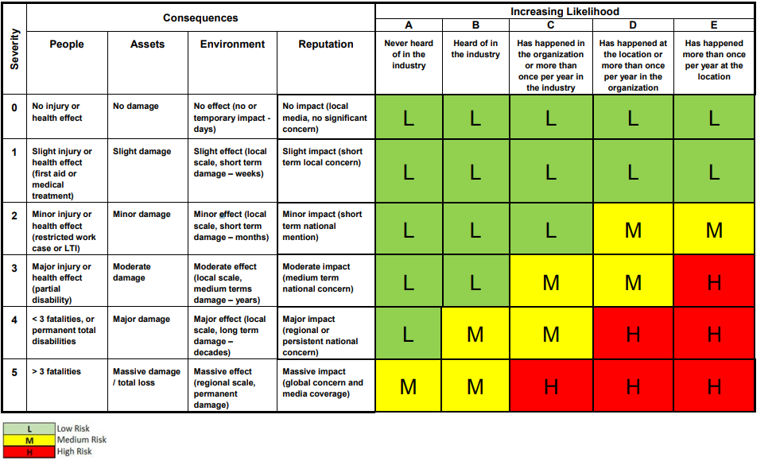
Risk Categories
 | Consequence
Prob. | 1 | 2 | 3 | 4 | 5
5 | Low | Med | High | High | High
4 | Low | Med | Med | High | High
3 | Low | Low | Med | Med | High
2 | Low | Low | Low | Med | Med
1 | Low | Low | Low | Low | Med

