27.2m Calcs
 | Thrust Bearing | Radial Bearing | Units | RADIAL BEARING WEAR DUE TO WEIGHT
Inner Diameter (ID) | 1.800 | 1.800 | m | UHMWPE |  |  |  |  | kNm | % of Rated
Thrust Bearing OD or Radial Bearing Total Length | 3.000 | 0.900 | m | Pressure (P) | 0.19 | Mpa |  | Torque Loss Due Rotor Weight | 1.67 | 0.3%
Total Area | 4.524 | 1.620 | m^2 | Inner Diameter (ID) | 1.800 | m |  | Torque Loss Due Rotor Thrust | 4.30 | 0.8%
Bearing Area Factor | 80% | 80% |  | Length (L) | 0.900 | m |  | Torque Loss Due Rotor Moment | 20.42 | 3.7%
Pressure (Rotor Thrust, Rotor Weight) | 0.132 | 0.191 | Mpa | Wear Rate (K) | 1.51E-10 | (1/MPa)
Pressure (Rotor Moment) |  | 0.937 | Mpa | mu (~ 0.03 - 0.07) | 0.01 | * |  |  | mm
 |  |  |  | Design Rotor Speed | 9.10 | RPM |  | Wear Depth Due Rotor Weight | 0.73
 | Thrust | 478 | kN | Linear Surface Speed | 0.86 | m/s |  | Wear Depth Due Rotor Thrust | 2.70
 | Weight | 248 | kN | Maintenance Interval | 5.00 | Yrs |  | Wear Depth Due Rotor Moment | 2.52
 | Max Moment | 1215 | kNm | Duty Cycle | 0.75
 | Resolved Forces | 608 | kN | Number of Revolutions (N) | 17,948,385 | #
 | Bearing Spread (D) | 2.000 | m | Circumference | 5.65 | m
 | Bearing Length (L) | 0.450 | m | Load Zone | 90.00 | degress
 |  |  |  | Total Loaded Distance Over Life (d) | 25373932 | m
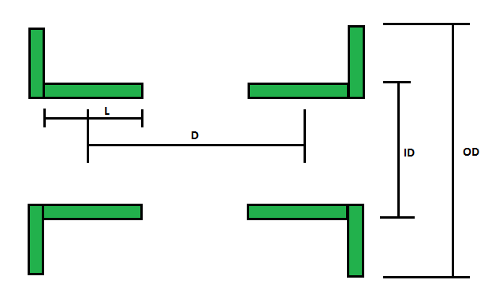
 |  |  |  | Normal Force (Fn) | 309.7 | kN
 |  |  |  | Torque loss at max pressure: | 1.7 | kNm
 |  |  |  | Volume Loss due to Wear (V) | 0.00 | m^3
 |  |  |  | Weight Depth of Wear (h) | 0.732 | mm

 |  |  |  | RADIAL BEARING WEAR DUE TO MOMENT
 |  |  |  | UHMWPE
 |  |  |  | Pressure (P) | 0.94 | Mpa
 |  |  |  | Inner Diameter (ID) | 2.840 | m
 |  |  |  | Length (L) | 0.900 | m
 |  |  |  | Wear Rate (K) | 1.51E-10 | (1/MPa)
 |  |  |  | mu (~ 0.03 - 0.07) | 0.01 | *
 |  |  |  | Design Rotor Speed | 9.10 | RPM
 |  |  |  | Linear Surface Speed | 1.35 | m/s
 |  |  |  | Maintenance Interval | 5.00 | Yrs
 |  |  |  | Duty Cycle | 0.75
 |  |  |  | Number of Revolutions (N) | 17,948,385 | #
 |  |  |  | Circumference | 8.92 | m | C*40deg/360deg
 |  |  |  | Load Zone | 40.00 | degress
 |  |  |  | Total Loaded Distance Over Life (d) | 17,793,078 | m
 |  |  |  | Normal Force (Fn) | 2396.2 | kN
 |  |  |  | Torque loss at max pressure: | 20.4 | kNm | 3.7%
 |  |  |  | Volume Loss due to Wear (V) | 0.01 | m^3
 |  |  |  | Moment Depth of Wear (h) | 2.519 | mm

 |  |  |  | TOTAL RADIAL BEARING WEAR
 |  |  |  | Total Depth of Wear (Weight + Moment) | 3.251 | mm

 |  |  |  | THRUST BEARING WEAR
 |  |  |  | UHMWPE
 |  |  |  | Pressure (P) | 0.13 | Mpa
 |  |  |  | Inner Diameter (ID) | 1.800 | m
 |  |  |  | Outer Diameter (OD) | 3.000 | m
 |  |  |  | Wear Rate (K) | 1.51E-10 | (1/MPa)
 |  |  |  | mu (~ 0.03 - 0.07) | 0.01 | *
 |  |  |  | Design Rotor Speed | 9.10 | RPM
 |  |  |  | Maintenance Interval | 5.00 | Yrs
 |  |  |  | Number of Revolutions (N) | 17,948,385 | #
 |  |  |  | Circumference | 7.54 | m
 |  |  |  | Total Distance Over Life (d) | 135,327,635 | m
 |  |  |  | Normal Force (Fn) | 597.3 | kN
 |  |  |  | Torque loss at max pressure: | 4.3 | kNm
 |  |  |  | Volume Loss due to Wear (V) | 0.01 | m^3
 |  |  |  | Depth of Wear (h) | 2.698 | mm

 |  |  |  | Assumptions:
 |  |  |  | Thrust Bearing 'Total Distance Over Life' based on Average Radius
 |  |  |  | Thrust Bearing 'Torque Loss' based on Average Radius

UHMWPE Data
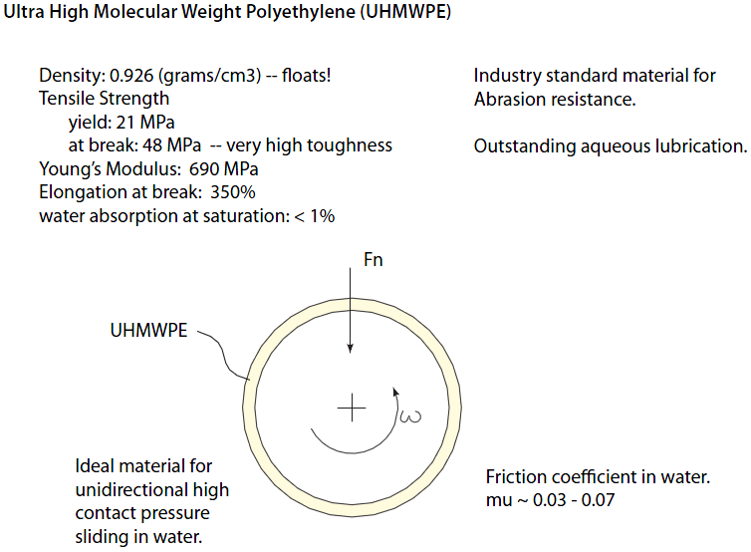
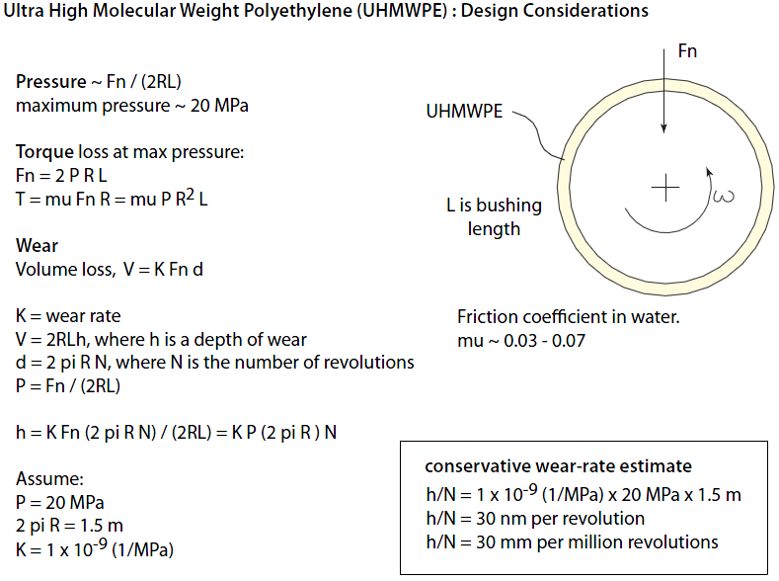

Diagrams
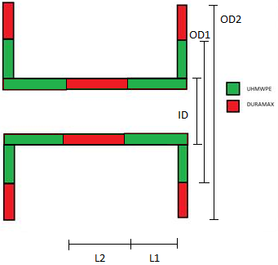
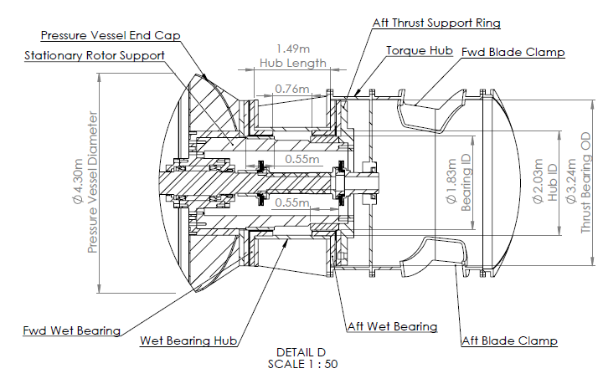
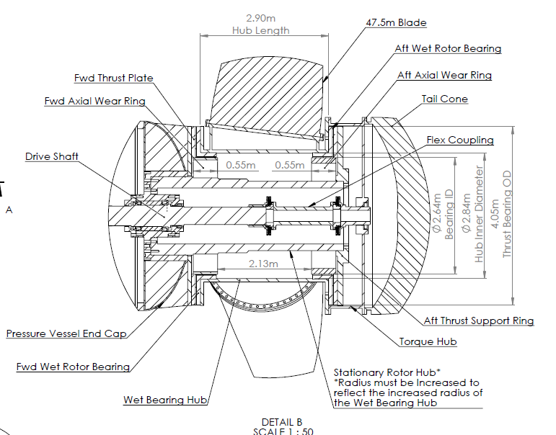
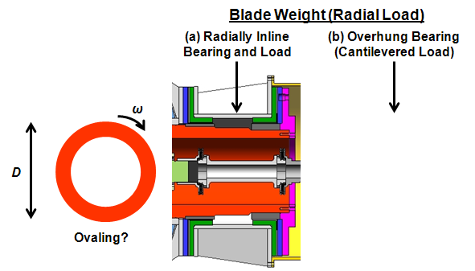
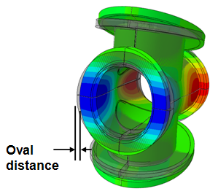

2 Blade – 1MW - Overhung
2 or 3 Blade – 1.2 MW

